Sheet1
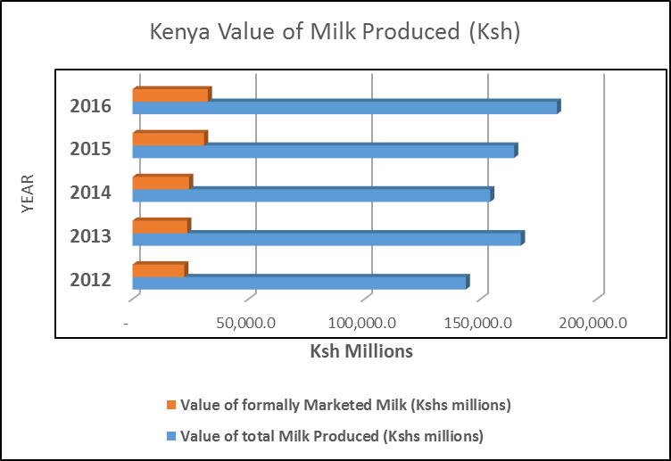
Kenya Milk Production and Value
 | Total quantity produced (Million kgs) | Total Value (Kshs millions) | Quantity marketed formally (Million kgs) | Total Value (Kshs millions)
2012 | 3,190.7 | 143,581.8 | 495.2 | 22,284.0
2013 | 3,717.8 | 167,303.1 | 523.0 | 23,535.0
2014 | 3,425.0 | 154,123.0 | 541.3 | 24,358.5
2015 | 3,444.2 | 164,393.7 | 615.9 | 30,792.6
2016 | 4,115.5 | 182,859.1 | 648.2 | 32,410.9

Kenya Milk Production Trend
 | Total quantity produced (Million kgs) | Quantity marketed formally (kg in millions)
2012 | 3,190.7 | 495.2
2013 | 3,717.8 | 523.0
2014 | 3,425.0 | 541.3
2015 | 3,444.2 | 615.9
2016 | 4,115.5 | 648.2

Kenya Trend of Milk Production

 | Chart showing trend of total annual milk production and proportion of formally marketed milk

 | Value of total Milk Produced (Kshs millions) | Value of formally Marketed Milk (Kshs millions)
2012 | 143,581.8 | 22,284.0
2013 | 167,303.1 | 23,535.0
2014 | 154,123.0 | 24,358.5
2015 | 164,393.7 | 30,792.6
2016 | 182,859.1 | 32,410.9

